Specialized Stumpjumper 1996
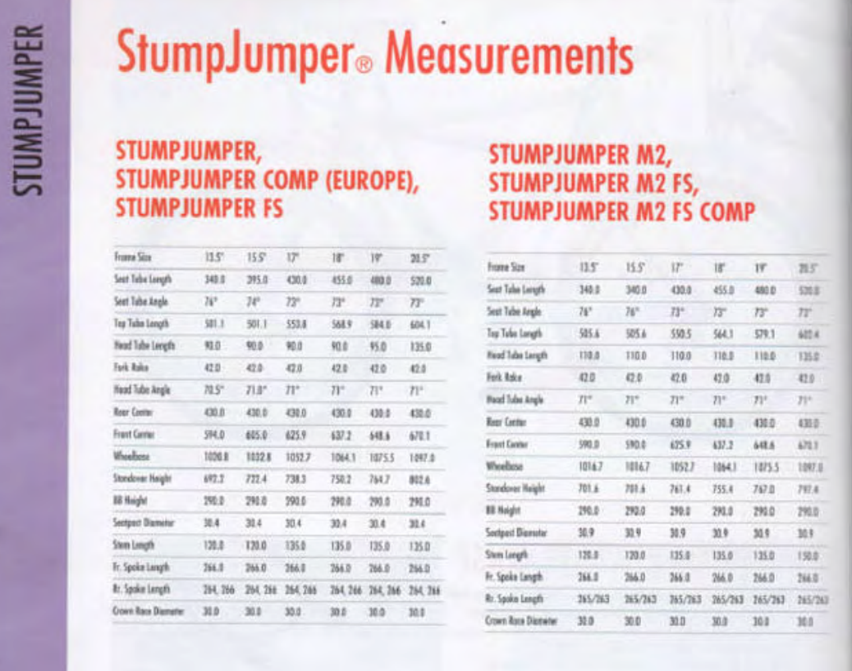
frame_size | frame_size | 17 | 18 | 19
stack | stack | 515.82
reach | reach | 421.08
seat_tube_length | seat_tube_length | 430 | 455 | 480
top_tube_effective_length | top_tube_effective_length | 553.8 | 568.9 | 584
head_tube_angle | head_tube_angle | 71 | 71 | 71
seat_tube_angle | seat_tube_angle | 73 | 73 | 73
head_tube_length | head_tube_length | 90 | 90 | 95
bottom_bracket_drop | bottom_bracket_drop | 42.00 | 42.00 | 42.00 | from calculation
chainstay_length | chainstay_length | 430 | 430 | 430 | "rearcenter"
wheelbase | wheelbase | 1052.7 | 1064.1 | 1075.5
fork_offset_rake | fork_offset_rake | 42 | 42 | 42
axle_crown | axle_crown
standover | standover | 738.3 | 750.2 | 764.7
crank_length | crank_length
handlebar_width | handlebar_width
stem_length | stem_length
wheel_size | wheel_size | 26 | 26 | 26
tire_width_spec | tire_width_spec | 48.26 | 48.26 | 53.34
tire_width_max | tire_width_max
rider_min | rider_min
rider_max | rider_max
 | bottom_bracket_height | 290 | 290 | 290
 | front_center_spec | 625.90 | 637.20 | 648.60
 | rear_center_spec | 430.00 | 430.00 | 430.00
 | calculated FC
 | calculated RC | 427.94 | 427.94 | 427.94
 | calculated wheelbase | 1053.84
 | trail
 | front tire | 48.26 | 48.26 | 48.26
 | rear tire | 48.26 | 48.26 | 48.26
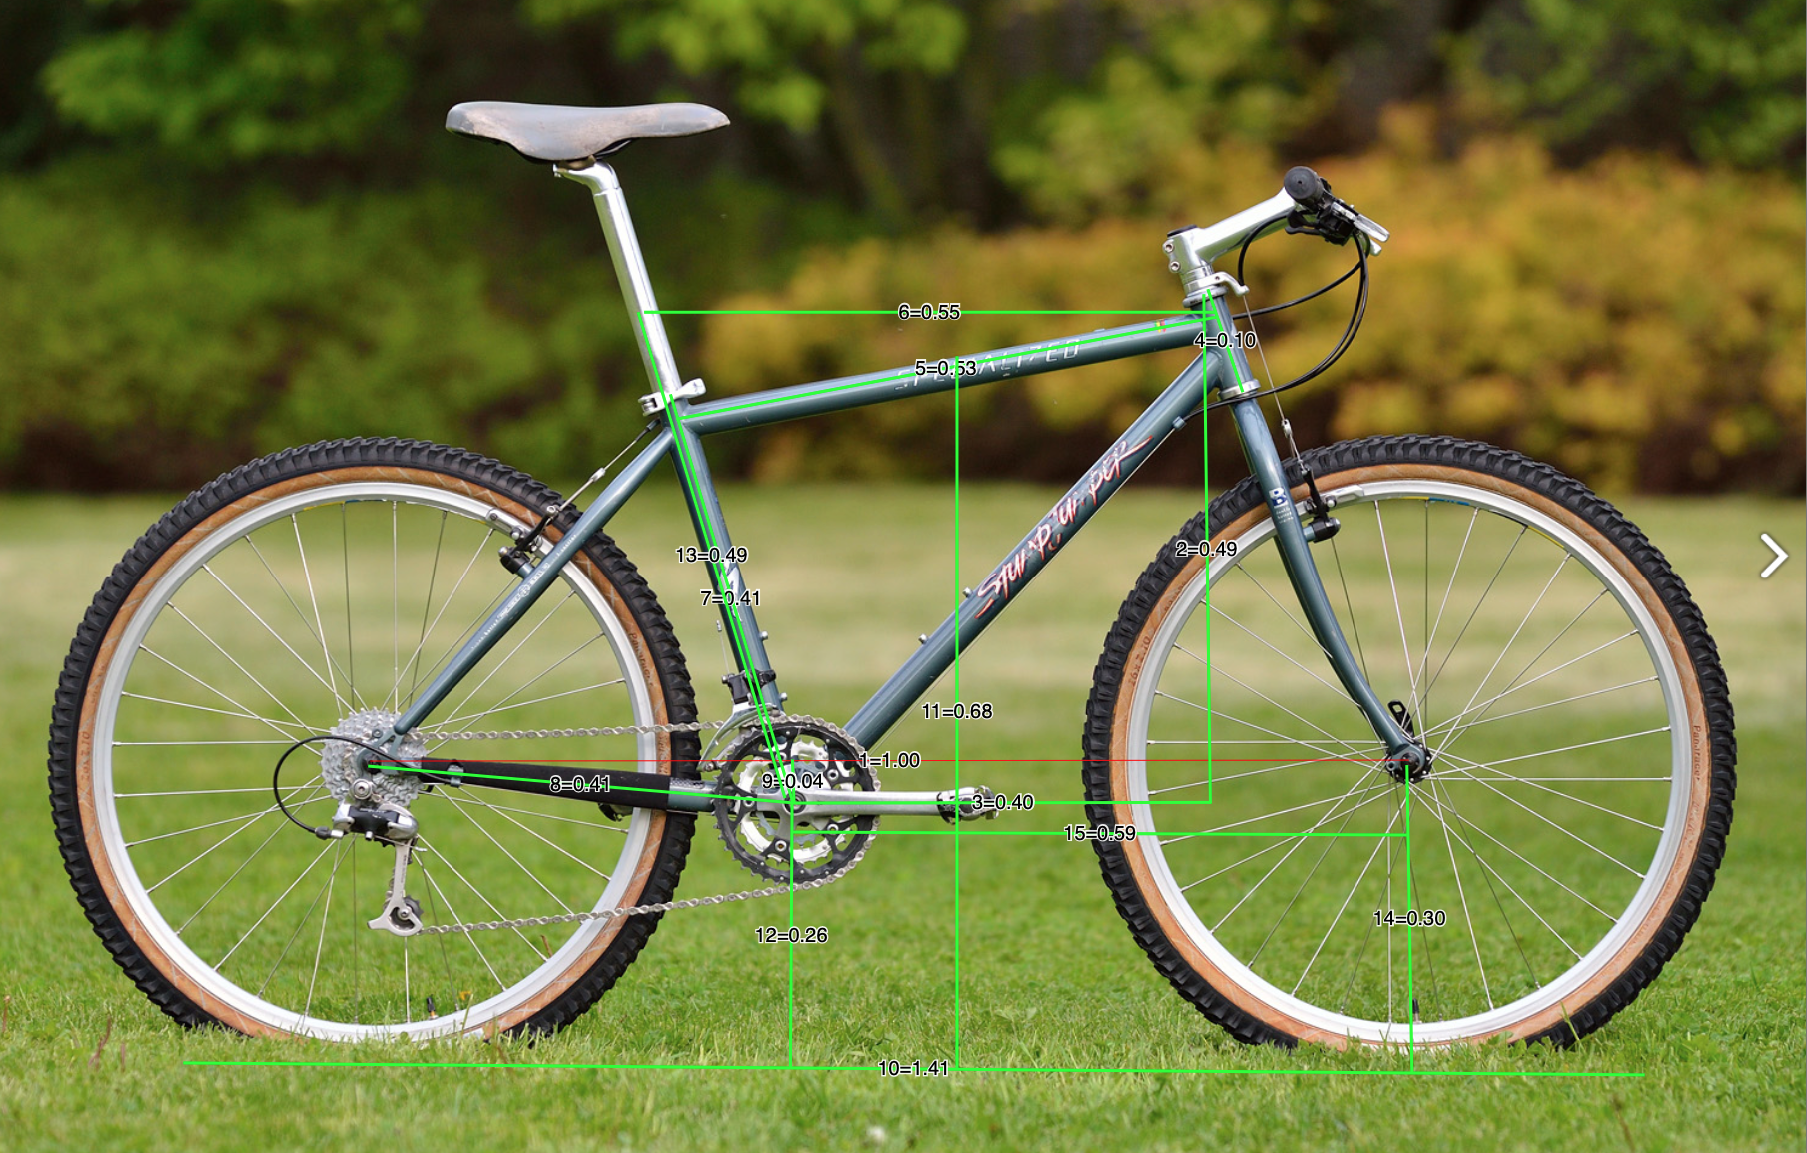
 | BBD = (559 + 2* tire width)/2 - BBH

 | seat_tube_h (using seat tube l) | 133.02912565
 | seat_tube_h (using stack) | 0
 |  | measureed spec
wheelbase | 1 | 1052.70 | 1064.10 | 1075.50
chainstay | 0.41 | 431.61 | 436.28 | 440.96
stack | 0.49 | 515.82 | 521.41 | 527.00
reach | 0.4 | 421.08 | 425.64 | 430.20
bottom bracket drop | 0.04 | 42.11 | 42.56 | 43.02
effective top tube | 0.55 | 578.99 | 585.26 | 591.53
Top Tube c-c | 0.53 | 557.93 | 563.97 | 570.02
bottom bracket height | 0.26 | 273.70 | 276.67 | 279.63
seat tube | 0.41 | 431.61 | 436.28 | 440.96
effective seat tube | 0.49 | 515.82 | 521.41 | 527.00
standover | 0.68 | 715.84 | 723.59 | 731.34
head tube | 0.1 | 105.27 | 106.41 | 107.55
frontcenter | 0.59 | 621.09 | 627.82 | 634.55
 |  | Size 17 1996 stumpjumper

Trek Singletrack 990 1995
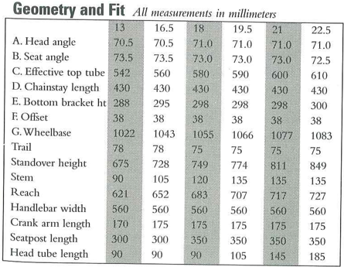
frame_size | frame_size | 16.5 | 18 | 19.5
stack | stack |  | 500.64
reach | reach |  | 438.06
seat_tube_length | seat_tube_length | 419.1 | 457.2 | 495.3
top_tube_effective_length | top_tube_effective_length | 560 | 580 | 590
head_tube_angle | head_tube_angle | 70.5 | 71 | 71
seat_tube_angle | seat_tube_angle | 73.5 | 73 | 73
head_tube_length | head_tube_length
bottom_bracket_drop | bottom_bracket_drop | 41.72 | 42.20 | 42.64
chainstay_length | chainstay_length | 430 | 430 | 430
wheelbase | wheelbase | 1043 | 1055 | 1066
fork_offset_rake | fork_offset_rake | 38 | 38 | 38
axle_crown | axle_crown
standover | standover | 728 | 749 | 774
crank_length | crank_length | 175 | 175 | 175
handlebar_width | handlebar_width | 560 | 560 | 560
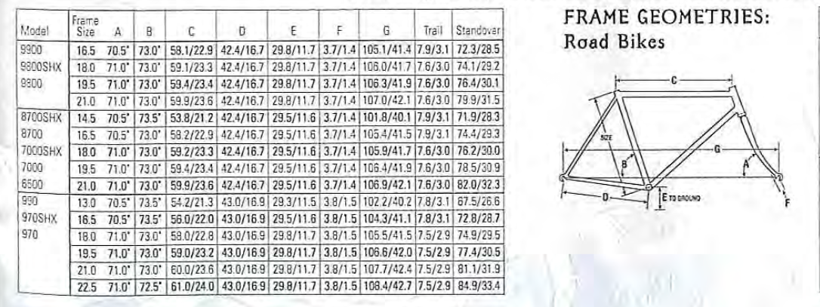
stem_length | stem_length | 105 | 120 | 135
wheel_size | wheel_size | 26 | 26 | 26
tire_width_spec | tire_width_spec | 53.34 | 53.34 | 53.34
tire_width_max | tire_width_max
rider_min | rider_min
rider_max | rider_max
 | bottom_bracket_height | 295 | 298 | 298
 | front_center | 615.03 | 627.08 | 638.12
 | rear_center | 427.97 | 427.92 | 427.88
 | trail | 78 | 75 | 75
 | front tire | 53.34 | 53.34 | 53.34
 | rear tire | 50.8 | 50.8 | 50.8
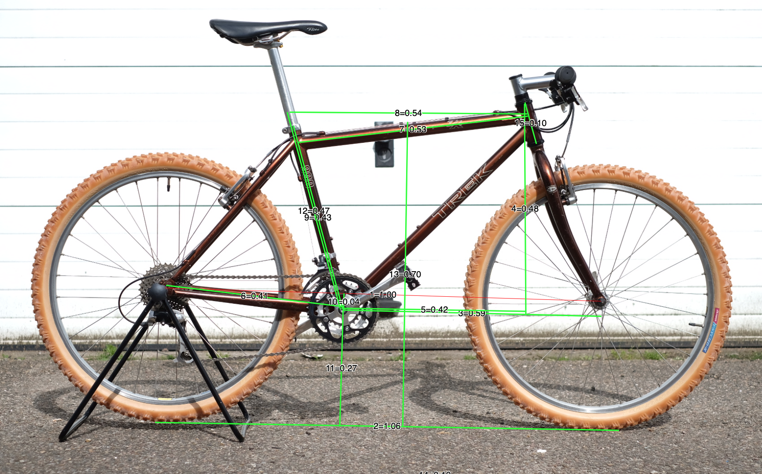
 | BBD = (559 + 2* tire width)/2 - BBH

 | seat_tube_h (using seat tube l) | 133.6723434
 | seat_tube_h (using stack) | 153.06100837
 |  | measureed spec
wheelbase | 1 | 1043.00 | 1055.00 | 1066.00
chainstay | 0.41 | 427.63 | 432.55 | 437.06
stack | 0.48 | 500.64 | 506.40 | 511.68
reach | 0.42 | 438.06 | 443.10 | 447.72
bottom bracket drop | 0.04 | 41.72 | 42.20 | 42.64
effective top tube | 0.54 | 563.22 | 569.70 | 575.64
Top Tube c-c | 0.53 | 552.79 | 559.15 | 564.98
bottom bracket height | 0.27 | 281.61 | 284.85 | 287.82
seat tube | 0.43 | 448.49 | 453.65 | 458.38
effective seat tube | 0.47 | 490.21 | 495.85 | 501.02
standover | 0.7 | 730.10 | 738.50 | 746.20
head tube | 0.1 | 104.30 | 105.50 | 106.60
frontcenter | 0.59 | 615.37 | 622.45 | 628.94
 |  | notes - the image produces measures close to the 18.

 |  | Reach | Stack | Ratio
 | 1995 Trek xxx (above) | 0.42 | 0.48 | 1.1428571429
 | 1995 Trek 18" | 0.42 | 0.49 | 1.1666666667
 | 1995 Trek 19.5 | 0.47 | 0.54 | 1.1489361702 | very rough because back and front wheel not square
 | 1995 Trek 16.5 | 0.39 | 0.49 | 1.2564102564

GT Xizang 1995
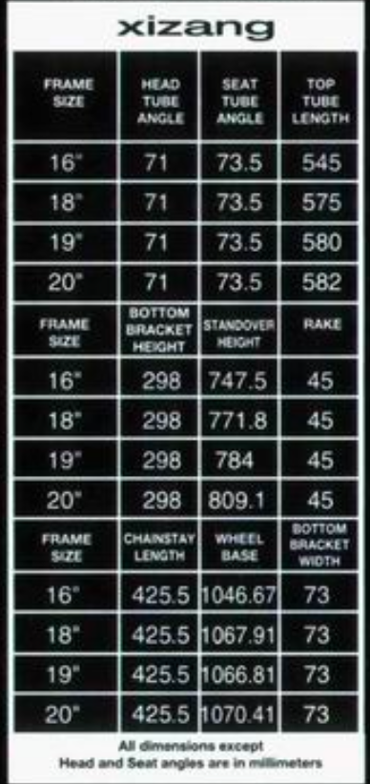
frame_size | frame size | 16 | 18 | 19
stack | stack | 523.34
reach | reach | 387.27
seat_tube_length | seat_tube_length | 481.47 | 491.24 | 490.73
top_tube_effective_length | top_tube_effective_length | 545 | 575 | 580
head_tube_angle | head_tube_angle | 71 | 71 | 71
seat_tube_angle | seat_tube_angle | 73.5 | 73.5 | 73.5
head_tube_length | head_tube_length
bottom_bracket_drop | bottom_bracket_drop | 30.5 | 30.5 | 30.5
chainstay_length | chainstay_length | 425.5 | 425.5 | 425.5 | 2
wheelbase | wheelbase | 1046.67 | 1067.91 | 1066.81 | 1
fork_offset_rake | fork_offset_rake | 45 | 45 | 45 | 3
axle_crown | axle_crown
standover | standover | 747.5 | 771.8 | 784
crank_length | crank_length
handlebar_width | handlebar_width
stem_length | stem_length
wheel_size | wheel_size | 26 | 26 | 26
tire_width_spec | tire_width_spec | 49 | 49 | 49
tire_width_max | tire_width_max
rider_min | rider_min
rider_max | rider_max
 | bottom_bracket_height | 298 | 298 | 298
 | front_center | 622.26 | 643.50 | 642.40
 | rear_center | 424.41 | 424.41 | 424.41
 | trail
 | front tire
 | rear tire
 | BBD = (559 + 2* tire width)/2 - BBH

 | seat_tube_h (using seat tube l) | 136.74435679 | 139.51930031 | 139.37558855 | KM | 116 | 116 | 116 | 116 | 116
 | seat_tube_h (using stack) | 155.01888939 | 0 | 0 | pace | 22 | 20 | 18 | 16 | 14
 |  |  |  |  | time | 5.3 | 5.8 | 6.4 | 7.3 | 8.3

wheelbase | 1 | 1046.67 | 1067.91 | 1066.81
chainstay | 0.42 | 439.60 | 448.52 | 448.06
stack | 0.5 | 523.34 | 533.96 | 533.41
reach | 0.37 | 387.27 | 395.13 | 394.72
bottom bracket drop | 0.03 | 31.40 | 32.04 | 32.00
effective top tube | 0.52 | 544.27 | 555.31 | 554.74
Top Tube c-c | 0.5 | 523.34 | 533.96 | 533.41
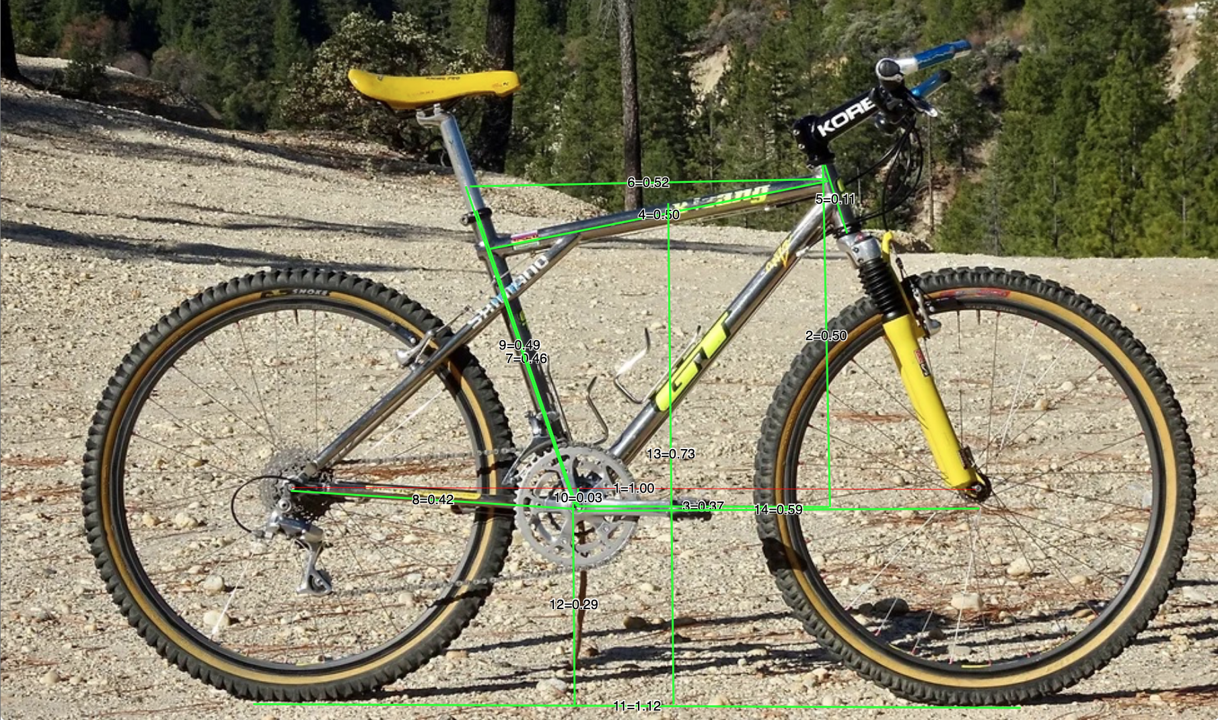
bottom bracket height | 0.29 | 303.53 | 309.69 | 309.37
seat tube | 0.46 | 481.47 | 491.24 | 490.73
effective seat tube | 0.49 | 512.87 | 523.28 | 522.74
standover | 0.73 | 764.07 | 779.57 | 778.77
head tube | 0.11 | 115.13 | 117.47 | 117.35
front center | 0.59 | 617.54 | 630.07 | 629.42
 |  | Juliiana Furtado Bike - size 16?

